(2) Executive Summary
EXECUTIVE SUMMARY

Figure 1.1 |  |  | Figure 2.1
 | 1
Industry
 |  |  |  | Car | = | 1
 |  |  |  | Technology | = | 2
 |  |  |  | Healthcare | = | 1
 |  |  |  | Financial | = | 2
 |  |  |  | Retail | = | 1

Figure 1.1 shows the total gains/losses for the portfolio over the course of the 14 week period.
Figure 2.1. shows the how many of the stocks were chosen from each industry. The data for the graph
is to the right of figure 2.1.

 |  | Figure 3.1
Cumulative Gains/Losses By Company
Company | Gain/Loss (cumulative)
JPM | #REF!
AAPL | #REF!
AMGN | #REF!
GOOG | #REF!
AXP | #REF!
CVX | #REF!
NKE | #REF!

Figure 3.1 shows the cumulative gains/losses pertaining to each individual company over the 14 week period.

(3)Portfolio Overview & Summary
 | Investment Management Project; Spring Term 2016
 | Portfolio Summary
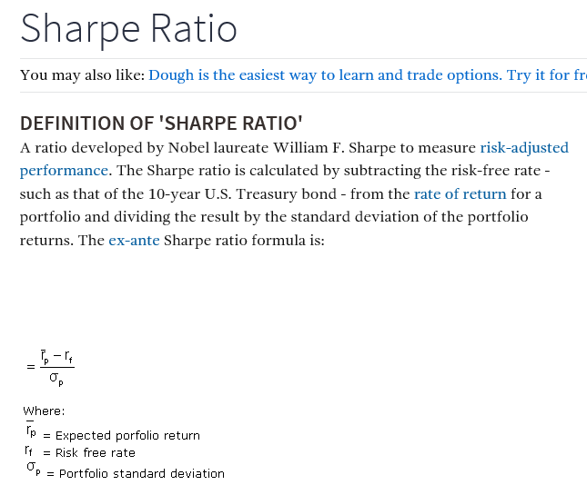
 | Investment Manager: ________________________

 |  |  | Initial Capital = | $1,000,000.00
 |  |  | Closing Balance =
 |  |  | YTD Portfolio Performance = | #VALUE!

Stock | Sector | Beta | 12M Target | Date Bought | No. Shares | Unit Cost | Transaction Cost | Total Cost |  | Date Sold | No. Shares | Unit Price | Transaction Cost | Total Receipts | Gain / (Loss) | Gain / (Loss) % | % Risk Free Return | % Excess Return

JPM | Financial | 1.81 | 70.05 | 2/2/15 | 1100 | 55.47 | 7.95 | 61,024.95 | >>
AAPL |  |  |  |  |  |  |  |  | >>
AMGN |  |  |  |  |  |  |  |  | >>
GOOG |  |  |  |  |  |  |  |  | >>
MSFT |  |  |  |  |  |  |  |  | >>
CVX |  |  |  |  |  |  |  |  | >>
 |  |  |  |  |  |  |  | 61,024.95 |  |  |  |  |  |  | Average | #DIV/0! | #DIV/0! | #DIV/0!
 |  |  |  |  |  |  |  |  |  |  |  |  |  |  | STDEV | #DIV/0! | #DIV/0! | #DIV/0!

 |  |  |  |  |  |  |  |  |  |  |  |  |  |  |  | STDV Portfolio Return |  | #DIV/0!
 |  |  |  |  |  |  |  |  |  |  |  |  |  |  |  | STDV Risk-Free Return |  | #DIV/0!
 |  |  |  |  |  |  |  |  |  |  |  |  |  |  |  | STDV Excess Return |  | #DIV/0!
 |  |  |  |  |  |  |  |  |  |  |  |  |  |  |  | Sharpe Ratio |  | #DIV/0!

