2 Stock and Bond Valuation
Milestone Two: Stock Valuation and Bond Issuance (please fill in the shaded YELLOW cells) |  |  |  |  |  |  | Explanations:
 |  |  |  |  |  |  | Cash Dividend - distribution of the corporate income. They are not expenses and do not appear on Income Statement. Note: Part of Statement of Cash Flows. Please be aware that corporation list 5 years worth of dividends, but only 3 years worth of dividend yields (Hint: research F-1).
PART I: STOCK VALUATION
 | Dividend from Financial Statements:

 | Year | Cash Div/share ($) | Dividend Yield | Stockholder's Equity (in millions) | Stock Price |  | Dividend Yield - annual cash dividend per share of common stock divided by the market price of a share of the common stock (Dividend yield = Annual Dividend/Current Stock Price). Note: Current Stock Price is not part of the Financial Statements - calculated using the formula for Dividend Yield
 | 2012 |  |  |  | #DIV/0!
 | 2013 |  |  |  | #DIV/0!
 | 2014 |  |  |  | #DIV/0!

1. Stock Valuation - The new dividend yield if the company increased its dividend per share by 1.75

 | Year | Cash Div/Share ($) +1.75 | Dividend Yield | Stockholder's Equity (in millions) | Stock Price |  | Stockholder's Equity = Assets - Liabilities. Equity represents the ownership of a corporation. Owners are called stockholders because they hold stocks or shares of the company. The goal of every corporate manager is to generate shareholder value.
 | 2012 | 1.75 | #DIV/0! | 0 | #DIV/0!
 | 2013 | 1.75 | #DIV/0! | 0 | #DIV/0!
 | 2014 | 1.75 | #DIV/0! | 0 | #DIV/0!

2. The dividend yield if the firm doubled it's outstanding shares |  |  |  |  |  |  | Return on Equity - for this part we will modify and use return on investment instead. Using the formula: Dividend (+1.75)/+[(new price-old price)/old price] Note - for this part, you will need extra price from 2011

 | Year | Cash Div/Share ($) | Dividend Yield | Stockholder's Equity (in millions) -doubled | Stock Price
 | 2012 | 0 | #DIV/0! | 0 | #DIV/0!
 | 2013 | 0 | #DIV/0! | 0 | #DIV/0!
 | 2014 | 0 | #DIV/0! | 0 | #DIV/0!

 |  |  |  |  |  |  | Bonds are a long-term debt for corporations. In buying a bond, the bond-owner lends money to the corporation. The borrower promises to pay specified interest rate during the loan's lifetime and at the maturity, payback the entire principle. In case of bankruptcy, bondholders have priority over stockholders for any payment distributions. Bonds = Debt...............Bondholders = Lenders Stock=Equity................Stockholders = Owners
3. The rate of return on equity (i.e., the cost of stock) based on the new dividend yield you calculated above

 | Year | Cash Div/Share ($) +1.75 | Stock Price | Return on Investment
 | 2012 | 1.75 | #DIV/0!
 | 2013 | 1.75 | #DIV/0! | #DIV/0!
 | 2014 | 1.75 | #DIV/0! | #DIV/0!

 |  |  |  |  |  |  | Calculation: Please note that for bond calculations, only one bond is used and we assume February 1, 2015 is the origination date. The value on financial statements will be considered PV (Present value). Maturity date is assumed for February 2036 and payment schedule adjusted to February 1 and August 1. The following Senior-Note was used from page 44: 5.875% Senior Notes; due December 16, 2036; interest payable semi-annually on June 16 and December 16 PV (Present Value) = 2,963 million Our scenario: 5.875% Senior Notes; due February 1, 2036; interest payable semi-annually on February 1 and August 1 PV (Present Value) = 2,963 million
PART II: BOND ISSUANCE
 | Curent Bonds from Financial Statements

 | Present Value | PV | ($2,963)
 | Periods | N | 40 | Semi-annual payment: 2036-2016 = 20 years *2 = 40 periods
 | Interest | I | 2.9375 | Interest paid semi-annually: 5.875%/2 = 2.9375%
 | Payments | PMT | 0 | This bond does not make regular PMT except for interest
 | Future Value | FV |  | CALCULATING FV (please see help on the right hand side)

1. The new value of the bond if overall rates in the market increased by 5%

 | Present Value | PV | ($2,963)
 | Periods | N | 40
 | Interest | I |  | Please adjust interest |  | 5.875%+5% = 10.875%/2 = 5.4375%
 | Payments | PMT | 0 |  |  |  | FV (Future Value Calculation) - using Excel Formula
 | Future Value | FV |  | CALCULATING FV (please see help on the right hand side) |  |  | Step 1) Select Formulas
 |  |  |  |  |  |  | Step 2) Click on Financial
 |  |  |  |  |  |  | Step 3) Select FV - you will see the formula below
2. The new value of the bond if overall rates in the market decreased by 5% |  |  |  |  |  |  | Step 4) Enter the following:
 |  |  |  |  |  |  | Rate - enter as decimal, no % sign. Example: 4% as 0.04
 | Present Value | PV | ($2,963) |  |  |  | Nper - number of period. Enter a whole number. Example 50
 | Periods | N | 40 |  |  |  | Pmt - payment. Our example does not assume regular payments disbursing principal
 | Interest | I |  | Please adjust interest |  | 5.875%-5% = 0.875%/2 = 0.4375% | Pv - Present value. Enter as negative. Example $1,000 should be -1000
 | Payments | PMT | 0 |  |  |  | Type - leave blank
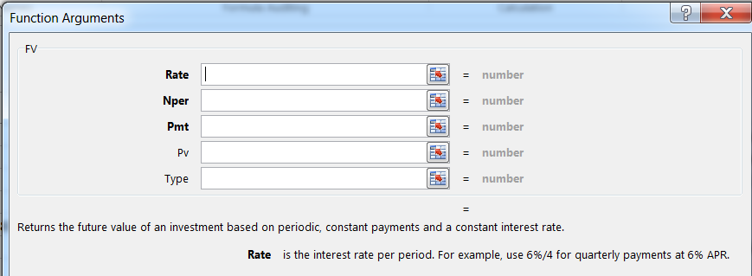
 | Future Value | FV |  | CALCULATING FV (please see help on the right hand side)

3. The value of the bond if overall rates in the market stayed exactly the same
 | - identical to CURRENT BOND VALUE from Financial Statements

