Instructions
Instructions | Assistance
1. In the Trial Balance Tab, create drop down boxes in the classification column so that a user can chose whether the item is an Asset, Liability or part of Owners' Equity. | How to create drop down boxes: 1. Go to cell C6 in the Trial Balance tab 2. Click the Data Tab at the top of the excel worksheet 3. Click on Data Validation 4. In the first drop down select List 5. Click on the source option and enter F4:F7 6. Copy the drop down box created and paste in cells C7:C24 Snips have been provided to the right | 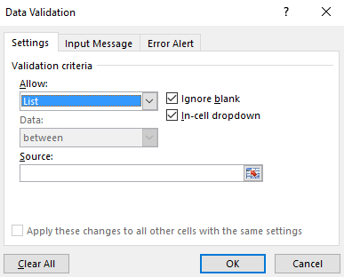
2. After you have created drop down boxes, you need to click on the dropdown and enter the appropriate classification for each item. For example, in cell C6 use your drop down box and select that an Accounts payable is a Liability. | How to sort: 1. Within the data highlight cells A5:D24 2. Click on Sort 3. When the box opens click the option that says my data has headers and then sort by classification (Snips have been provided below)
3. Sort the Accounts by the classification column. You need to sort them in the following order - Assets, Liabilities and then Owners' Equity.
4. Once the accounts have been sorted by classification, then order the accounts the way they should be listed on the trial balance. For example, a 1 should be entered for Cash in the Order column in the appropriate cell. Use numbers -19. Check figure: Cash should be in row 8 after sorting the accounts in item 3. | 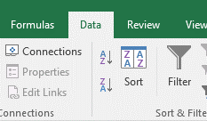
5. Once you have determined the proper ordering, then sort the accounts by the order column using the same method that was previously done for Classification. Check figure: Cash should be in row 6 after sorting by order.
6. On the financial Statement tab, complete three financial statements. (Statement of cash flows is omitted for this exercise.) To complete the statements, link sources when possible and use formulas when the item is highlighted in blue. Linking an account requires you to hit "=" and then click on the cell that you want to link. This will pull in the amount from the cell you are linking. You may link from one tab within excel to another. | Check figures: Dividends ahoul be in row 17, classified as Owners' Equity and given the number 12 in the order column

Scoring:
The homework is worth 35 points. It is possible to receive a score of up to 40 points. All points over 35 will be recorded and can help your homework score.

