Problem 6.1
Staff Scheduling

Decision Variables | Starting day
 | SU | MO | TU | WE | TH | FR | SA
staff | 11 | 4 | 0 | 2 | 0 | 3 | 0

Objective Function
cost | 440 | 400 | 440 | 470 | 470 | 470 | 470 |  | 8790

Constraints |  |  |  |  |  |  |  | LHS |  | RHS
SU | 1 | 0 | 0 | 1 | 1 | 1 | 1 | 16 | >= | 11
MO | 1 | 1 | 0 | 0 | 1 | 1 | 1 | 18 | >= | 4
TU | 1 | 1 | 1 | 0 | 0 | 1 | 1 | 18 | >= | 0
WE | 1 | 1 | 1 | 1 | 0 | 0 | 1 | 17 | >= | 2
TH | 1 | 1 | 1 | 1 | 1 | 0 | 0 | 17 | >= | 0
FR | 0 | 1 | 1 | 1 | 1 | 1 | 0 | 9 | >= | 3
SA | 0 | 0 | 1 | 1 | 1 | 1 | 1 | 5 | >= | 0
Callum Communications (Revisited) Revisit Example 6.1. above.
Suppose that the objective at Callum Communications is to minimize the number of employees, rather than to minimize the total cost.

a. What is the minimum number of employees needed at the call center?
b. Does the solution in (a) achieve the minimum salary cost?

INFO BELOW IS FROM THE BOOK
6.1 USING SOLVER WITH INTEGER REQUIREMENTS

To illustrate how to use Solver for integer programming, let's consider the staffing problem faced by a call center.
Daily requirements for staff are usually developed from studies of congestion in the service system.
Then an optimization model helps determine how large a staff is needed to cover the staffing requirements.

Example 6.1: Callum Communications
Callum Communications runs a small call center that operates seven days a week. Callum requires a specified minimum number of employees to be at work each day, to provide the necessary level of customer service.
Under union regulations, employees at the call center must all work full-time schedules, which means five consecutive workdays and two days off per week. Furthermore, employees whose regular schedules include a weekend day receive a pay premium.
Specifically, employees who work five weekdays are paid $400 per week. Employees who work one of the weekend days are paid $440, and employees who work both of the weekend days are paid $470.
The minimum daily requirements for workers are described in the following table.

Day | Sun | Mon | Tue | Wed | Thu | Fri | Sat
Requirement | 16 | 18 | 18 | 17 | 13 | 8 | 5

Callum's management wishes to minimize the cost of salaries paid to the workforce while meeting the staffing requirements.

At the call center, seven different work shifts are possible under union rules. Each shift starts a five-day work period on a particular day.
For example, suppose we use SU to represent the number of employees who start work on Sunday, MO for the number who start work on Monday, and so on. These variables can make sense only if their values are integers.
The constraints require that the number of employees assigned to work a given day must be at least as large as the daily minimum. For example, the number working on Thursday (SU + MO + TU + WE + TH) must be greater than or equal to 13,
and a similar constraint applies for each of the other days of the week. In addition, the total salary cost for a week plays the role of the objective function.
The algebraic model, shown below, is a variation on the staff-scheduling model introduced in Chapter 2.
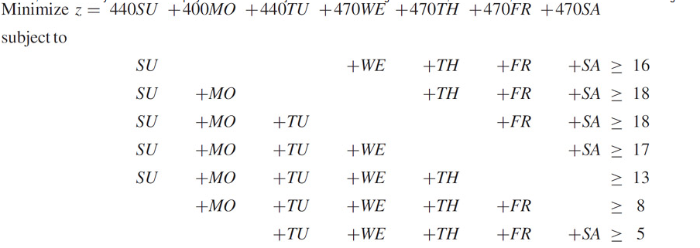

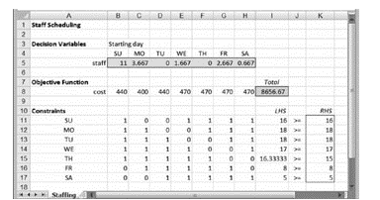
Figure 6.1 shows the complete spreadsheet model. It is also a variation of the spreadsheet model for staff scheduling introduced in Chapter 2. When we treat this model as a linear programming problem, the model specification is as follows.
Objective: | I8 (minimize)
Variables: | B5:H5
Constraints: | I11:I17 ≥ K11:K17

 |  |  |  |  | Figure 6.1: Spreadsheet model for Example 6.1

As shown in Figure 6.1, Solver produces a solution containing some fractions (e.g., 3.667 employees starting on Monday) and a total cost of $8656.67.
The application of Solver to integer programming models, once they are formulated, is relatively straightforward. Solver treats the requirement that a variable must be integer as an additional constraint.
Along with the familiar constraint types ≤, ≥, and =, the drop-down menu in the Add Constraint window also permits int and bin.
The int constraint designates a variable to be integer valued, while the bin constraint designates a variable to be either 0 or 1 (binary valued).
To produce an integer solution in Example 6.1, we add a constraint that designates the decision variables to be integers, as shown in Figure 6.2.
The specification of the model in the task pane is shown in Figure 6.3, where we can see the explicit designation of integer variables.

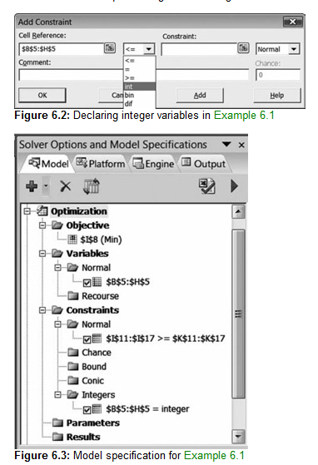

Figure 6.2: Declaring integer variables in Example 6.1

Figure 6.3: Model specification for Example 6.1

Once we build the model and designate particular variables as integer or binary, the next step is to examine the options in the Integer group of the Engine tab on the task pane.
The key option is the Integer Tolerance option, which should normally be set to zero. At some other setting, such as 0.05,
Solver is guaranteed to find a solution that is no worse than 5 percent away from the optimum, as measured by the objective function.
Clearly, we would prefer to find the very best solution, and this calls for an Integer Tolerance parameter of zero.
However, in some large models, a tight Integer Tolerance level may require the solution procedure to take a great deal of time. Therefore, we sometimes keep the level at 0.05
while we are debugging a large model, and we leave it at that level if we find that solution times are prohibitively long otherwise.
If Solver can locate a solution at the 0.05 level in a reasonable amount of time, we can experiment further by lowering the parameter toward zero.

With the integer variables designated and the Integer Tolerance option set, Solver produces an optimal solution, shown in Figure 6.4, with a total cost of $8790. On the surface, at least,
there is no intuitive reason why we would have anticipated this result based on the solution to the linear program. It is not, for example, a rounded-off version of the optimal solution.
Thus, by using the integer programming capability in Solver, Callum can meet its staffing requirements with minimum salary cost.

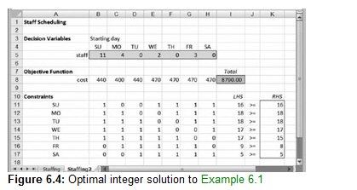

Figure 6.4: Optimal integer solution to Example 6.1

As suggested by this example, integer programming models look just like linear programming models,
except for the fact that certain variables are constrained to be integer valued.
The differences occur within Solver, not in the spreadsheet model. Moreover, finding a solution with Solver simply requires the user to take two additional steps
beyond the typical procedure for solving linear programs—that is, designating integer variables and setting the Integer Tolerance parameter.
When the only role of integers in a model is to avoid fractional values in what otherwise would be a normal linear program,
then the formulation principles we covered in Chapters 2 and 3, along with the int constraint, are likely to suffice. That was the case in Example 6.1.

In some cases, such as the call center model, all of the variables are constrained to be integers. This type of model is sometimes called a pure integer program.
In other cases, certain variables may be integers, but others are allowed to be noninteger.
A model containing both kinds of variables is called a mixed integer program.
Using Solver, the only difference between these two cases is the set of variables designated by the int constraint.

At the level of building models for use with Solver, integer programming may seem to be a minor technical extension of what we can already do with linear programming.
However, as we explore the formulation of integer programs using binary variables in this chapter and the next, a very different picture emerges.
The opportunity to use binary variables provides access to a class of models that is actually very different from linear programming.

The solution algorithm within Solver for handling integer programs is generically known as a branch and bound procedure.
At the end of this chapter, we take a look at how such a procedure works.

