Exercise #3
Name: | <Your Name>
Exercise #3
Preparing a trial balance
The accounts of Aker Moving Company follow with their normal balances as of August 31, 2016. The accounts are listed in no particular order.

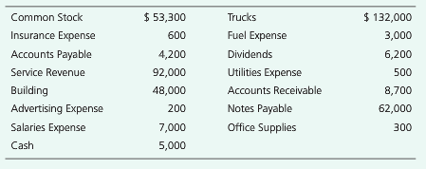

Instructions
Prepare Aker’s trial balance as of August 31, 2016.

 | Aker Moving Company
 | Trial Balance
 | 31-Aug-16
 |  | Balance
 | Account Tittle | Debit | Credit

